HRV
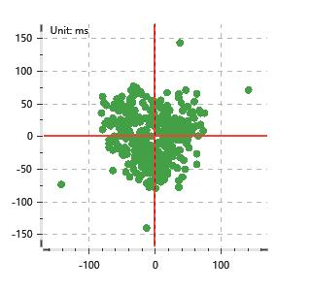
Data Info
 | Recording | 正式实验6
 | Subject | 葛雄心
 | Create Time | 2023-11-20 11:12:28.681
 | Data Name | Chest1 ECG
 | Data Type | ECG
 | Sample Rate | 512
 | Segment | 前静息态
 | Start Time | 0:00:51
 | End Time | 0:05:51
 | Duration | 0:05:00

Replay Chart
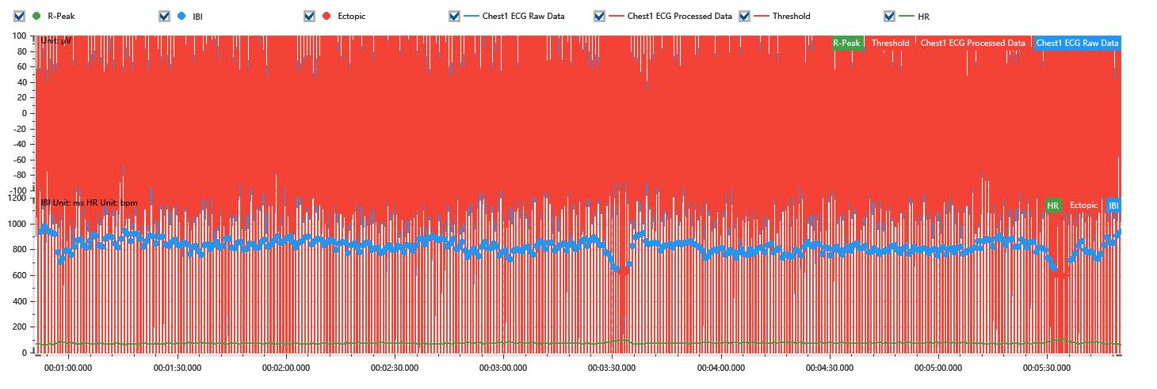

Process parameters
 | Filters
 | Wavlet filter | Enabled | 中
 | Amplitude normalization | Disabled | 中
 | High Pass filter | Enabled | 1μV
 | Band Stop filter | Enabled | 50μV
 | Low Pass filter | Enabled | 100μV
 | Interbeat Interval
 | R-Peak extraction | Maximum heart rate | 120bpm
 | R-Peak extraction | Threshold | 70%
 | Extopic detection | Percent | Disabled | 20%
 | Extopic detection | Median | Enabled | 4(samples)
 | Extopic correction | 中值 | 5(samples)

Time Domain
 | MeanIBI | MeanHR | SDNN | SDANN | RMSSD | SDSD | PNN50 | PNN20 | Data Length
 | 811.99ms | 74bpm | 60.59ms | 0ms | 37.35ms | 37.4ms | 19.62% | 60.22% | 368

Frequency Domain
 | Band | Range | Power | Power Percent | Power Normalized | Peak | Data Length
 | ULF | 0 - 0.0033Hz | 54.04ms² | 2.3% | 0 | 0Hz | 4
 | VLF | 0.0033 - 0.04Hz | 806.92ms² | 34.37% | 0 | 0.03Hz | 37
 | LF | 0.04 - 0.15Hz | 1025.95ms² | 43.7% | 0.69 | 0.04Hz | 113
 | HF | 0.15 - 0.4Hz | 460.86ms² | 19.63% | 0.31 | 0.33Hz | 256

 | Total Power | 2347.77ms² | LF/HF | 2.23 | VLF/ULF | 0.07
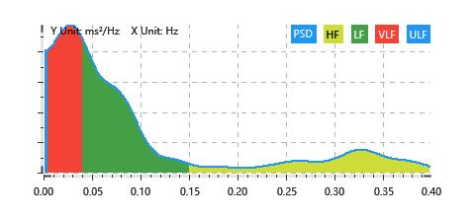

Nonlinear
 | Poincare | SD1 | 26.45ms | SD2 | 81.51ms
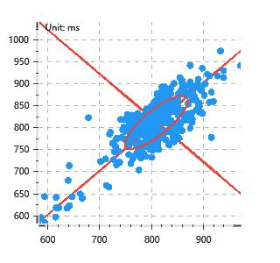

 | Scatter | A++ | 101 | B-- | 75

